Location Plan & Summary
Intelligent Data Collection Limited

Client: | Bristol City Council |  |  | Date of Survey: |  | 09.07.2015
Project Number: | ID02343 |  |  | Site Name: |  | Lansdown Road
Site Number: | ANPR Site 11 |  |  | Survey Type: |  | Two-way Link Count

X Coordinate |  | Y Coordinate |  |  | Google Maps Link
51.463828 |  | -2.570142 |  |  | Click Here
AM Peak Conditions |  | Inter-Peak Conditions |  |  | PM Peak Conditions
Clear and Sunny |  | Clear and Sunny |  |  | Clear and Sunny
Junction Layout

N
 |  |  |  |  |  | Arm B - Lansdown Rd (N)

 |  |  | Arm A - Lansdown Rd (S)

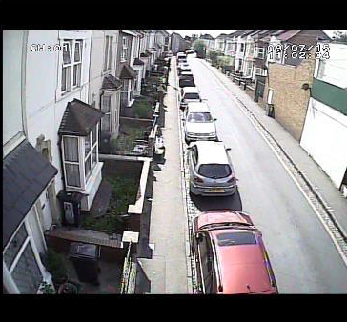
Aerial Mapping and On-site Camera View
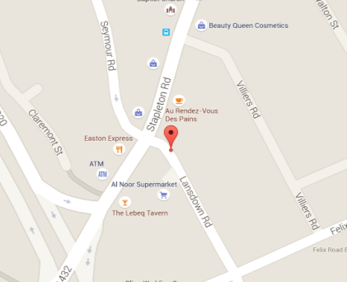

Arm A - Lansdown Rd (S)

Arm B - Lansdown Rd (N)

Junction Flow Profile
Arm Approach Flows (All Vehicles)
 | A to B (Northbound) | B to A (Southbound) | Two-way Total
7:00:00 | 6 | 18 | 24
7:15:00 | 15 | 17 | 32
7:30:00 | 23 | 19 | 42
7:45:00 | 20 | 19 | 39
8:00:00 | 21 | 27 | 48
8:15:00 | 17 | 26 | 43
8:30:00 | 26 | 28 | 54
8:45:00 | 21 | 29 | 50
9:00:00 | 19 | 43 | 62
9:15:00 | 32 | 26 | 58
9:30:00 | 9 | 27 | 36
9:45:00 | 19 | 28 | 47
10:00:00 | 15 | 27 | 42
10:15:00 | 19 | 26 | 45
10:30:00 | 15 | 25 | 40
10:45:00 | 26 | 23 | 49
11:00:00 | 18 | 24 | 42
11:15:00 | 23 | 19 | 42
11:30:00 | 21 | 18 | 39
11:45:00 | 22 | 25 | 47
12:00:00 | 23 | 25 | 48
12:15:00 | 37 | 36 | 73
12:30:00 | 28 | 21 | 49
12:45:00 | 23 | 23 | 46
13:00:00 | 24 | 29 | 53
13:15:00 | 30 | 29 | 59
13:30:00 | 29 | 35 | 64
13:45:00 | 31 | 37 | 68
14:00:00 | 20 | 20 | 40
14:15:00 | 24 | 30 | 54
14:30:00 | 28 | 30 | 58
14:45:00 | 23 | 21 | 44
15:00:00 | 31 | 38 | 69
15:15:00 | 31 | 35 | 66
15:30:00 | 23 | 44 | 67
15:45:00 | 25 | 39 | 64
16:00:00 | 29 | 60 | 89
16:15:00 | 33 | 51 | 84
16:30:00 | 25 | 62 | 87
16:45:00 | 38 | 48 | 86
17:00:00 | 32 | 44 | 76
17:15:00 | 32 | 39 | 71
17:30:00 | 28 | 51 | 79
17:45:00 | 41 | 61 | 102
18:00:00 | 26 | 39 | 65
18:15:00 | 28 | 43 | 71
18:30:00 | 26 | 40 | 66
18:45:00 | 25 | 46 | 71

Additional Notes (Factors which may impact on survey results such as accidents, roadworks, special events):

